How to Use
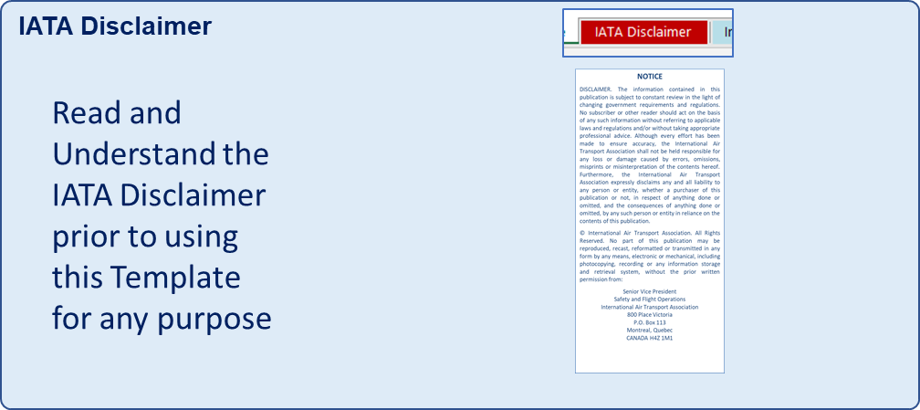
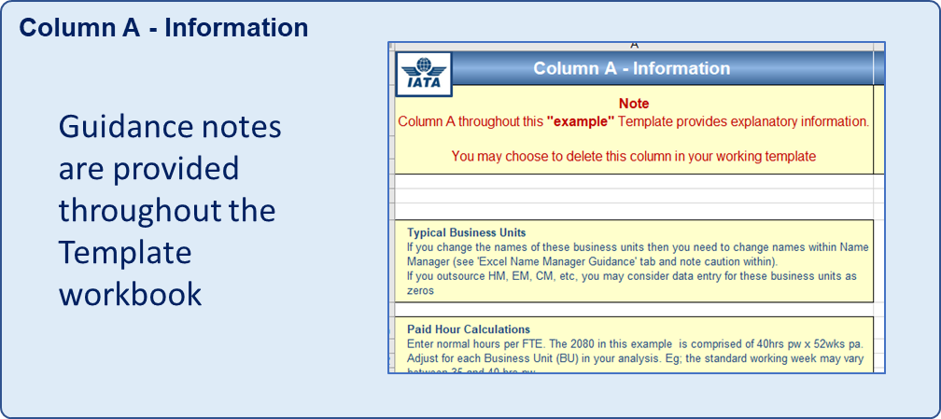
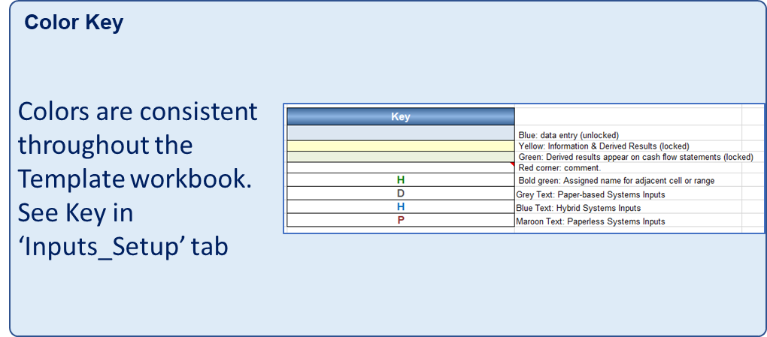
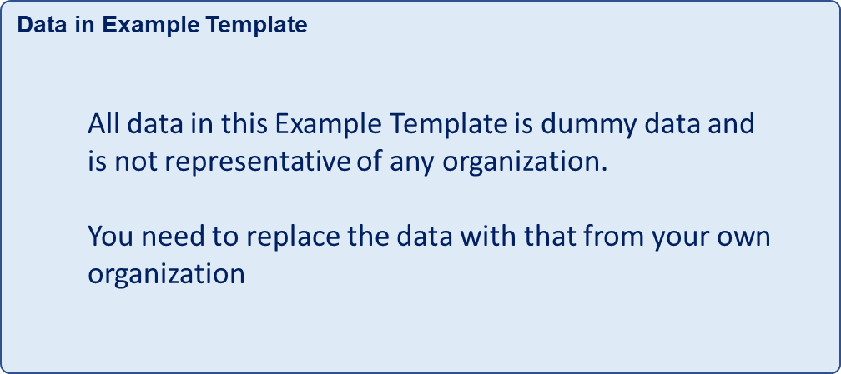
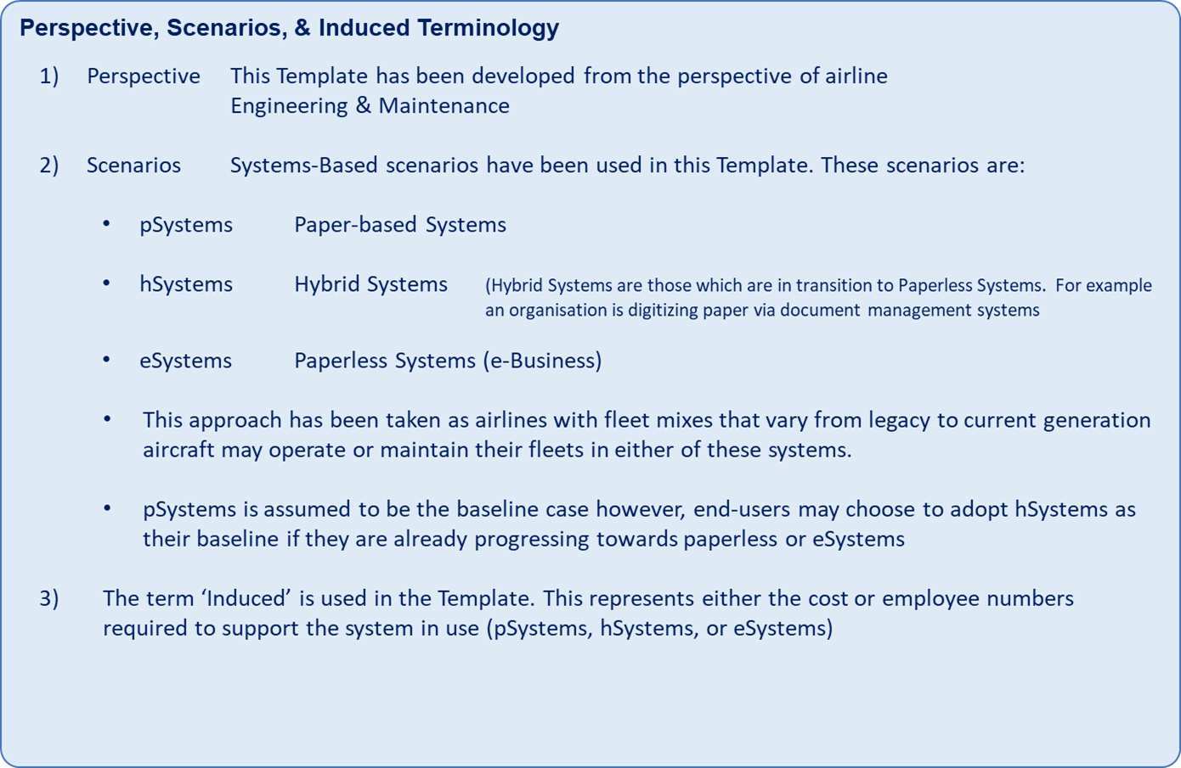
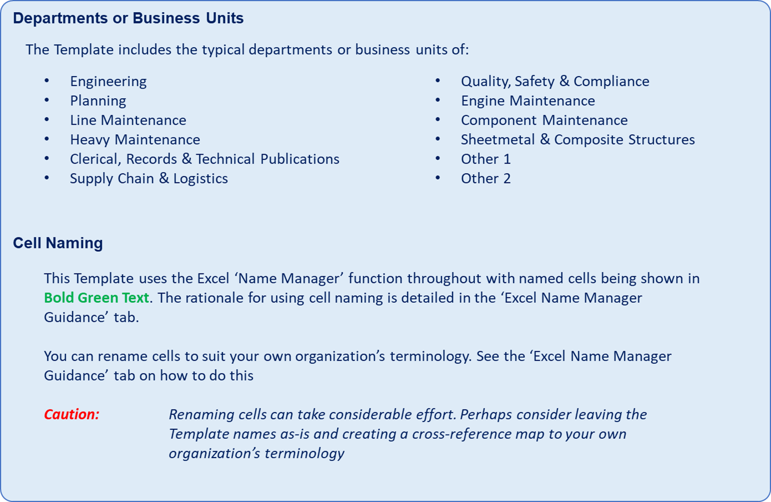
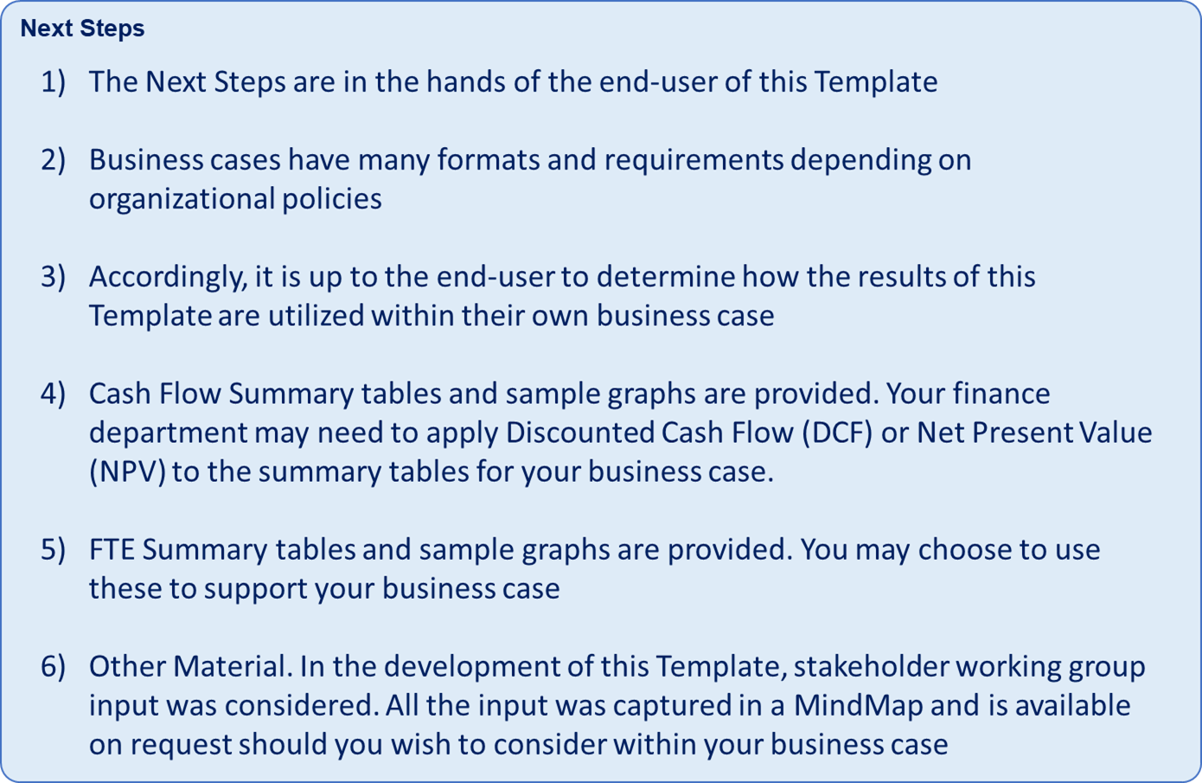
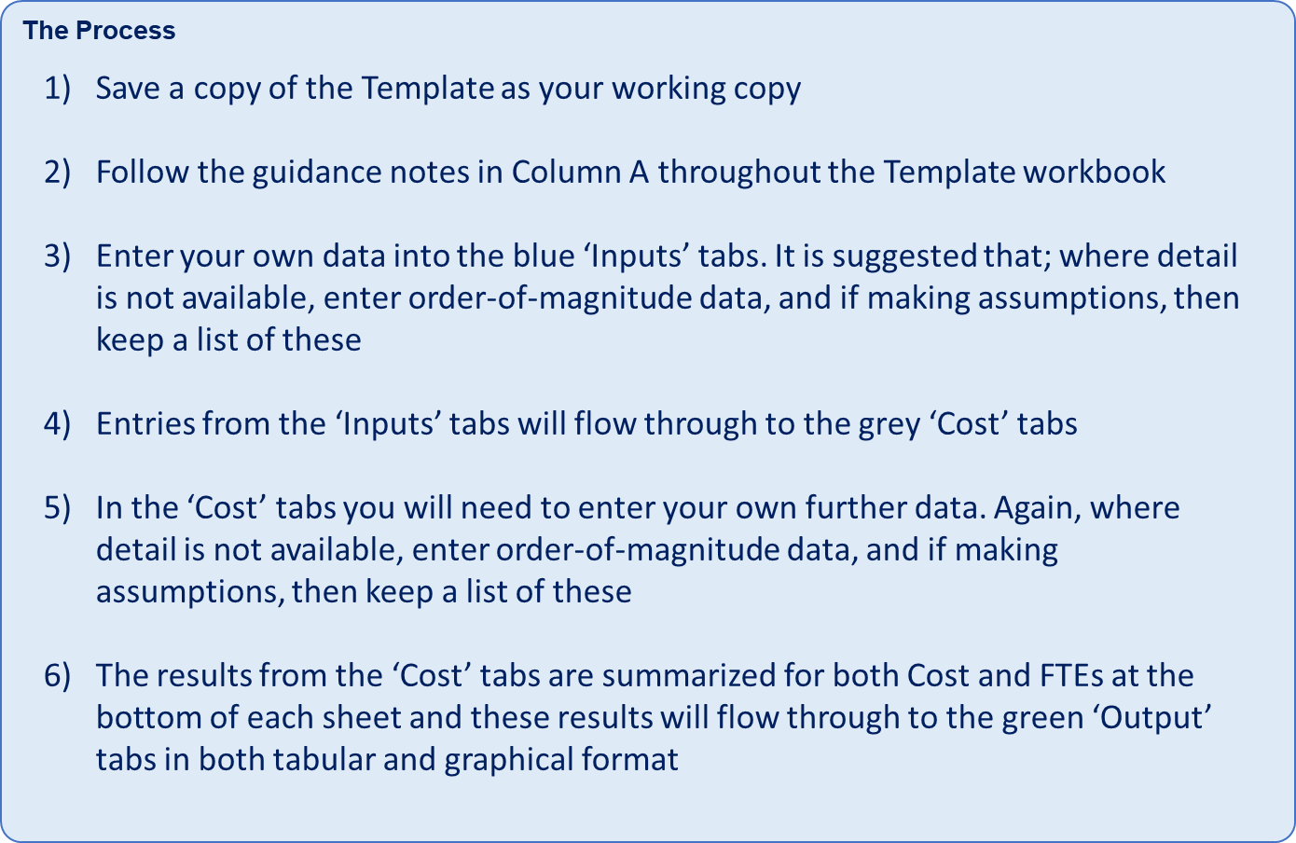
 | User Guide
IATA |  | Commercial in Confidence
IATA PAO:TO Business Case Support Template |  | Initial Release November 2018

User Guide

Template Workbook Tabs
Yellow Tab: Information
Red Tab: Disclaimer
Blue Tabs: Data Inputs
Grey Tabs: Data Input & Calculation
Green Tabs: Output Tables & Sample Graphs

IATA Disclaimer
Column A - Information |  | IATA Disclaimer Notice
Note Column A throughout this "example" Template provides explanatory information. You may choose to delete this column in your working template | IATA |  | Commercial in Confidence
 | IATA PAO:TO Business Case Support Template |  | Initial Release November 2018

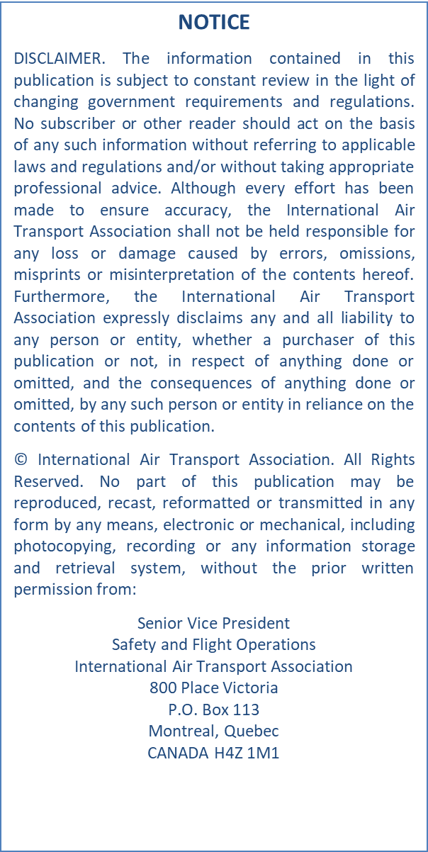
IATA Disclaimer Notice Ensure you Read & Understand this notice prior to using this Template for any purposes |  | IATA Disclaimer

Excel Name Manager Guidance
 |  | Excel Name Manager Guidance
 | IATA |  | Commercial in Confidence
 | IATA PAO:TO Business Case Support Template |  | Initial Release November 2018

Rationale for cell names in this Template

Why name cells in Excel? The default name for each cell in an Excel spreadsheet is based on the relevant column and row. One of the reasons why you may want to change this name is to make it easier to find what you are looking for, especially when there’s a lot of information in a particular spreadsheet. For instance, if you name a particular cell ‘Total’, searching for this word is much faster than scrolling through the spreadsheet to find the correct cell or trying to remember its specific column and row. This is also the case when creating formulas for computations. Instead of using the cells’ column letter and row number, it’s more convenient to use a name that you can easily understand. For example, naming one cell ‘GrossIncome’ and the other one ‘Deductions’ makes it easier for you to compute net income by subtracting Deductions from GrossIncome for the result. Another benefit of naming cells is that it is easier for other users to understand. If you are sharing the spreadsheet or workbook with other colleagues or business associates, using cell names that are easy for everyone to identify reduces potential confusion. Either individual cells or cell ranges can be named

How to change cell names
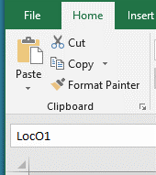 CAUTION: If possible, utilize the cell naming used in this Template as it you will save many hours of work in updating all the names within the Template. (As a suggestion, you coulld map this Template's names to you own organization's terminology via a cross-reference matrix) However, if you do want to change cells names and are not familiar with the excel 'Name Manager' function then the notes below will guide you through the process. Example: 1) This Template 'Inputs_M&ELocations' sheet has named cell ranges 2) There are two spare locations currrently named Loc01 and Loc02. 3) Cell Range E33 to N33 is currently named 'LocO1'. Click Cell E33 and drag to Cell N33 across this cell range to highlight and release and you will see the cell name displayed on top left of your screen - see screen print here. 4) The Green Bolded name in Cell O31 is for your information only so that you can quickly identify your cell or range names - see screen print here 5) Assume you want to change the name Loc01 to LocManagement

Changing Loc01 to LocManagement

1) Select 'Formulas' tab on excel top ribbon

2) Select 'Name Manager'

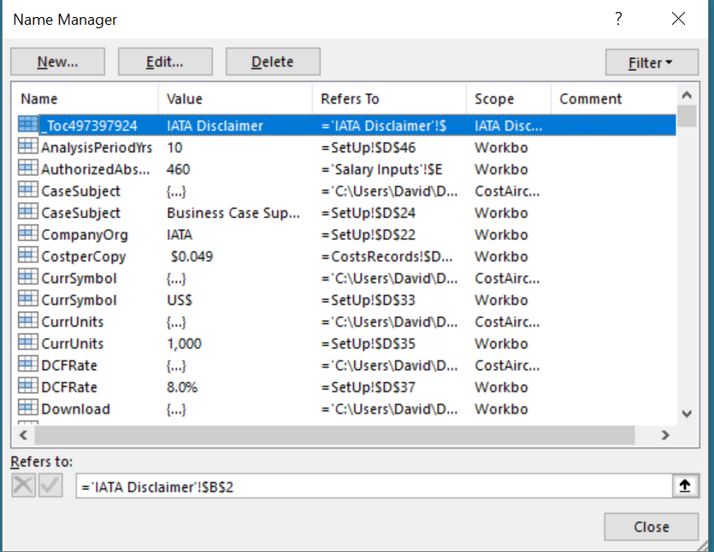
3) The Name Manager Window will pop up

4) Scroll down to 'LocO1' - Double click this Row | 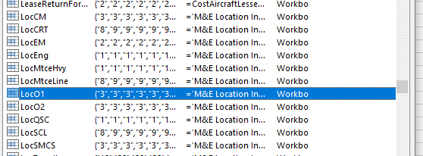

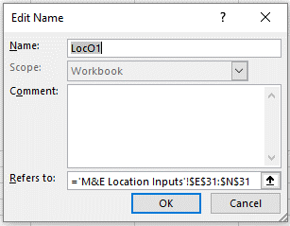
5) The 'Edit Name' window will appear.

6) Click in the 'name' field to highlight LocO1 and overtype with LocManagement and then click OK

7) You have now successfully changed the Cell Name

8) Be sure to now change Cell O31 to read LocManagement

9) To check, Click Cell E33 again and drag to Cell N33 and drag across this cell range to highlight and release and you will see the cell name displayed on top left of your screen has changed from 'Loc01' to 'Loc Management'

